Sheet1
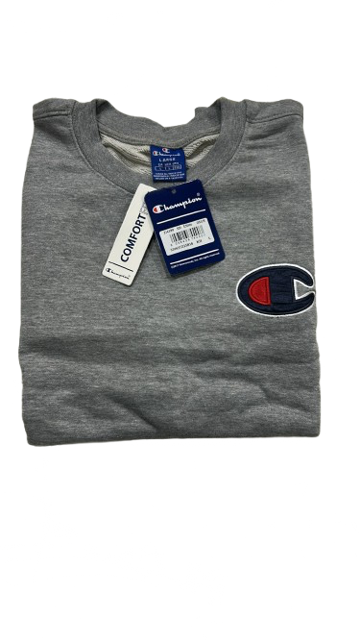
ADULT CHAMPION TERRY CREWS (SMALL LOGO)

Satin C Logo Cotton Terry Sweatshirt
ONLY 2,160 Units available
Case Pack 24
Solid Colour per case
S-M-L-XL/ 4-8-8-4
MSRP $65.00 CAD

FOB ETOBICOKE
RETAIL

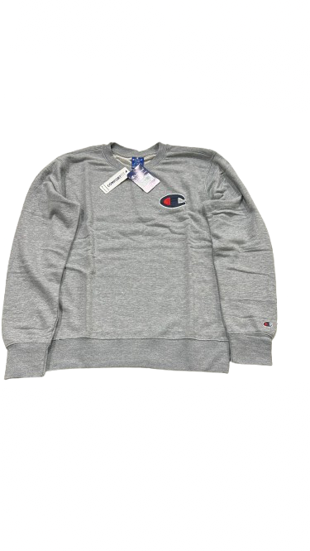
IMAGE | DESCRIPTION | STYLE | COLOUR | S | M | L | XL | TOTAL | CASE PACK | TTL CASES | OFFER PRICE
 | MEN'S CH TERRY SWEAT SMALL | MCH2TLCE | BLACK | 72 | 144 | 144 | 72 | 432 | 24 | 18
 | LOGO | MCH2TLCE | NAVY | 104 | 208 | 208 | 104 | 624 | 24 | 26
 | 24 PC SOLID COLOR ASST SIZE | MCH2TLCE | RED | 48 | 96 | 96 | 48 | 288 | 24 | 12

 | CHAMPION |  | Total | 224 | 448 | 448 | 224 | 1,344 |  | 56 | $15.00

